FIP Drive
FIP DRIVE ASSY
RECEIVING INSPECTION CHECKSHEET

MACHINE MODEL |  |  | : |  |  |  |  | CUSTOMER NAME |  |  | :
ENGINE MODEL |  |  | : |  |  |  |  | SWO NO. |  |  | : |  |  | DOCUMENT NO. |  | : | QR01-SA-006
ENGINE SER.NO. |  |  | : |  |  |  |  | PROJECT NUMBER |  |  | : |  |  | PUBL. DATE |  | : | 01/08/2008
PART NUMBER |  |  | : |  |  |  |  | START.DATE&TIME |  |  | : |  |  | REVISION NO. |  | : | 00
PART NAME |  |  | : | FIP Drive |  |  |  | FINISH DATE&TIME |  |  | : |  |  | PAGE |  | : | 1 of | 1

SKETCH DRAWING
 |  |  |  |  |  |  |  |  |  | Standard End play |  |  | : 0.07 ~ 0.20 mm

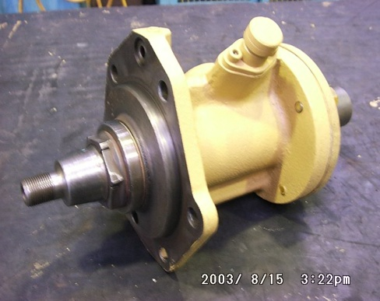
 |  |  |  |  |  |  |  |  |  | END PLAY |  |  |  | MEC |  |  | QA
 |  |  |  |  |  |  |  |  |  | ACTUAL |  |  | LH
 |  |  |  |  |  |  |  |  |  |  |  |  | RH

 |  |  |  |  |  |  |  |  |  | VISUAL INSPECT |  |  |  | MEC |  |  | QA
 |  |  |  |  |  |  |  |  |  |  |  |  |  | OK | NO |  | OK | NO
 |  |  |  |  |  |  |  |  |  | FREE CORROSION AND DIRT
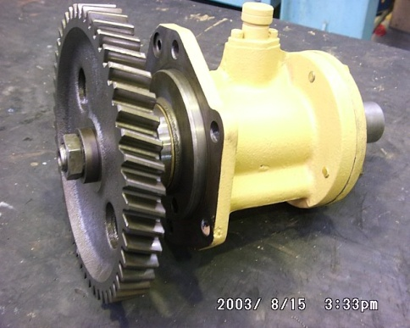
 |  |  |  |  |  |  |  |  |  | CRACK HAS BEEN CHECKED
 |  |  |  |  |  |  |  |  |  | THERE IS KEY IN THE GROOVE
 |  |  |  |  |  |  |  |  |  | BOLTS HAS BEEN TIGHTENED
 |  |  |  |  |  |  |  |  |  | SHAFT ROTATES SMOOTLY

 |  |  |  |  |  |  |  |  |  | Notes :

 | Physical Data
 | No | Part Name |  |  | Part Number | Qt'y | Check
 | 1 | Drive Case
 | 2 | Shaft
 | 3 | Trust Plate
 | 4 | Oil Seal
 | 5 | Key
 | 6

QA INSPECTION RESULT : |  |  |  |  |  |  |  |  |  |  |  | MECHANIC INSPECTION RESULT :

 | DELIVERY BY SUB ASS'Y 1 |  |  |  |  |  |  |  | RECEIVING INSPECTION BY QA |  |  |  |  | RECEIVING INSPECTION BY ASS'Y
 | FINISH MACHINING DATE |  |  |  | : |  |  |  | INSPECTION DATE : |  |  |  |  | INSPECTION DATE :
 | MECHANIC NAME |  |  |  | : |  |  |  | INSPECTOR NAME : |  |  |  |  | MECHANIC NAME :
 | SIGN |  |  |  | : |  |  |  | SIGN |  | : |  |  | SIGN | :

 | Note : New FIP Drive & after finishing can be directly measured by QA Officer

